Quotation
Quotation
 |  | VIRTUE DAMSEL SOLUTION
 |  |  | (002976929-K)
 |  |  | No 30, RD 3, Taman Ramal Desa, 43000 Kajang Selangor Tel : 03 89125200

 |  |  |  |  |  | OFFICIAL RECEIPT

 | To: |  |  |  |  | No.: | OF 0100175
 | Masjid Al-Mukhlisin (Dewan) |  |  |  |  | Date: | 2024-02-15
 | Alam Damai, Cheras, 56000, Kuala Lumpur. |  |  |  |  | Payment Term: | C.O.D.
 | Attn: | AZAN |  |  |  | Currency: | RM
 | Tel: | 017-238 5416 |  | Fax:

 | Item | Description |  |  | Qty | Unit | Unit Price | Discount | Total Price

 | 1 | WIFI 6 ROUTER ZYXEL EX3220 COMPLETE SET |  |  | 1 | pcs | 270.00 | - | 270.00
 | 2 | RJ45 CAT 6 CABLE ETHERNET NETWORK LAN CABLE |  |  | 1 | pcs | 130.00 |  | 130.00
 | 3 | SPLICING & CONNECTOR JOIN |  |  | 1 | pcs | 150.00 |  | 150.00
 | 4 | WIRING FOR ROUTER SOCKET PLUG POINT |  |  | 1 | pcs | 130.00 |  | 130.00
 | 5 | PIPING, NETWORK SETTING & INSTALLATION SERVICE |  |  | 1 | pcs | 850.00 |  | 850.00

 | RM: | ONE THOUSAND FOUR HUNDRED ONLY |  |  |  |  |  | Grand Total | 1,530.00

Bank Details : Maybank 5620 2164 4859


 | Yours faithfully, |  |  |  | We confirm the order by accepting the terms

 |  |  |  | Apis
 |  |  |  | 60173123415
 | ------------------------------------------------------ |  |  |  | ----------------------------------------------------------
 | Authorised Signature |  |  |  | Signature & Company stamp
 |  |  |  |  | Date :

INV 1
Invoice
PERSADA GEMILANG GLOBAL 202503350239 (AS0507799-U)
D-11-5,PPR Jalan Sri Sentosa
Jalan Taman Seri Sentosa
58000 Kuala Lumpur
 | Phone: +6010-353 1955 Email : persadagemilangmy@gmail.com

 |  |  |  |  | INVOICE

 | Bill To: |  |  |  | No.: | 202601030025
 | MASJID AL-MUKHLISIN |  |  |  | Date: | 2026-03-01
 |  |  |  |  | Payment Term: | ONLINE TRANSFER
 | Attn:
 | Tel: | 017-238 5416 | Fax:
 | Email: | -

 | Item | Description |  | Qty | Unit | Unit Price | Discount | Total Price

 | 1 | DS3231 Real Time Clock RTC Modules For Raspberry Pi |  | 1 | pcs | 15.00 | - | 15.00
 | 2 | 32GB SanDisk Micro SD Card |  | 1 | pcs | 70.00 |  | 70.00
 | 3 | AC-DC 5V 3A Usb Type C Power Adapter |  | 1 | pcs | 35.00 |  | 35.00
 | 4 | Micro Mini HDMI To HDMI Full HD Cable |  | 1 | pcs | 20.00 |  | 20.00
 | 5 | Raspberry Pi 4B Transparent Casing + Fan |  | 1 | pcs | 30.00 |  | 30.00
 | 6 | Raspberry Pi 4 - Model B - 4GB Ram (S/N : ESD-GEC-1920098C) |  | 1 | pcs | 360.00 |  | 360.00
 | 7 | JASMA SMART SYSTEM (S/N : dcfd483c / 5816ab) Warranty 1 year |  | 1 | l/s | 350.00 |  | 350.00
 | 8 | Surge Protector For Power Port |  | 1 | pcs | 45.00 |  | 45.00

 | RM: | NINE HUNDRED AND TWENTY FIVE ONLY |  |  |  |  | Grand Total | 925.00
PLEASE MAKE PAYMENT AT : 110 258 1847 (BANK RAKYAT)

 | Good sold are not returnable and payment make is not refundable.


 | Yours faithfully, |  |  | Goods received in right and good condition

 |  | PERSADA GEMILANG GLOBAL

 | ------------------------------------------------------ |  |  | ----------------------------------------------------------
 | Authorised Signature |  |  | Company Sign & Chop

INV 2

Quotation
WEHDAH SOLUTION 202103190949 (PG0514579-H)
Wisma UOA II, Unite No: 15-13A,
UOA Business Centre, Jalan Pinang,
50450 Kuala Lumpur, Malaysia.
 | Phone: +6017-3123415 Email : wehdahsolution@gmail.com

 |  |  |  |  | INVOICE

 | Bill To: |  |  |  | No.: | I-231013
 | Muhammad Hakim |  |  |  | Date: | 2023-10-13
 | Masjid Al-Muttaqin Wangsa Melawati, Jalan Wangsa Melawati 6, 53300 K.L. |  |  |  | Payment Term: | C.O.D.
 |  |  |  |  | Currency: | RM
 | Attn:
 | Tel: | 018-9030363 | Fax:
 | Email: | -

 | Item | Description |  | Qty | Unit | Unit Price | Discount | Total Price

 | 1 | Acrylic Bevel Edge Frame 5mm + Reverse Sticker ( Back ) + 29 pcs Picture Slot + 29 pcs Acrylic Name ( Back Print ) + Bolt Nut ( 4ft x 8ft ) Artwork 1 |  | 1 | pcs | 1,500.00 |  | 1,500.00
 | 2 | Design |  | 1 | unit | 50.00 |  | 50.00

Artwork 1
Name
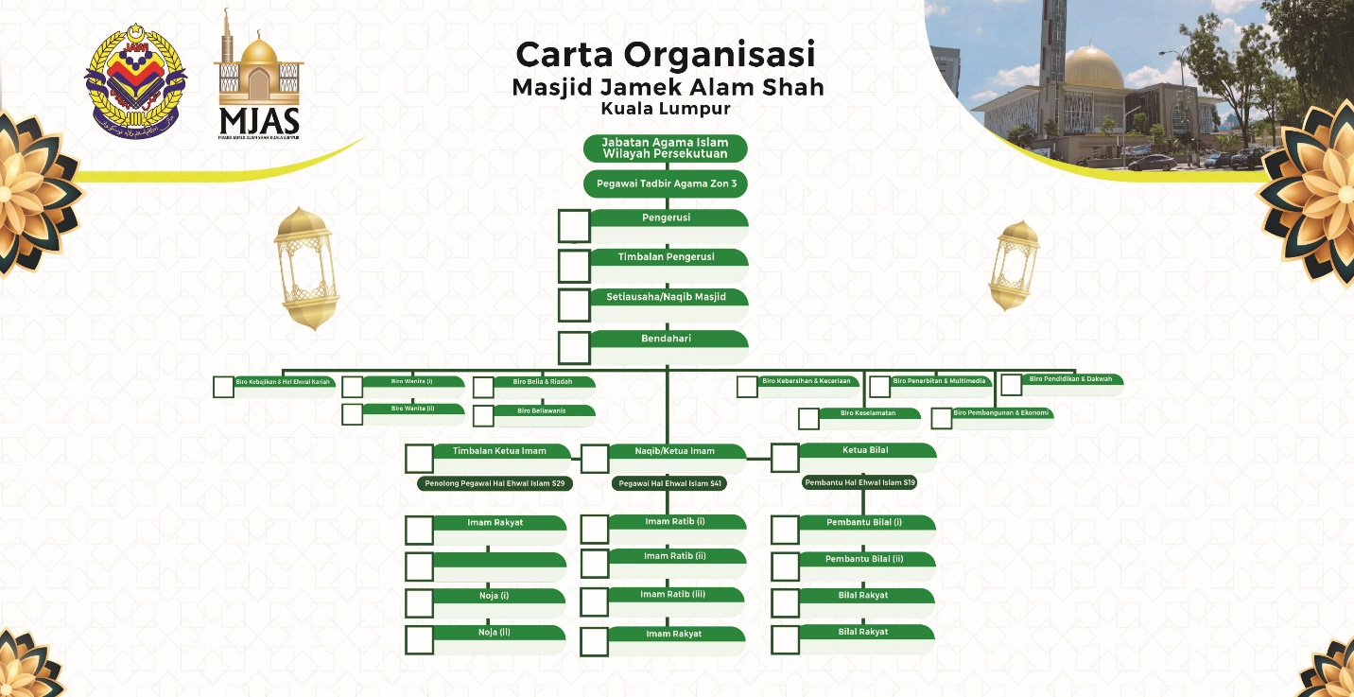
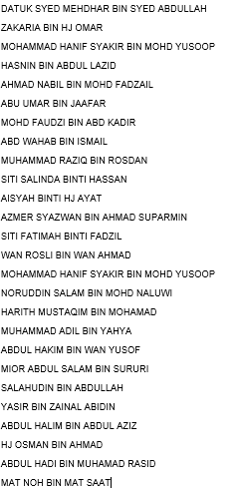

 | RM: | ONE THOUSAND FIVE HUNDRED FIFTY |  |  |  |  | Grand Total | 1,550.00

Bank Details : Hong Leong Islamic 18701038380 - Bank Islam 12113010769313

 | Good sold are not returnable and payment make is not refundable.
 | All cheque should be crossed and made payable to " WEHDAH SOLUTION "


 | Yours faithfully, |  |  | Goods received in right and good condition

 | ------------------------------------------------------ |  |  | ----------------------------------------------------------
 | Authorised Signature |  |  | Company Sign & Chop

DO
Delivery Order
A To Z Account
 |  |  |  | Co. Reg. No.: |  |  | 11221122-I
Unit 1-1, One Avenue,
Taman Pertama, 53000 Ampang, Selangor.
Phone:
 |  | Phone: | 03-11112222 |  | Fax: | 03-22221111 |  | Email: | adm.atoz22@gmail.com

 |  |  |  |  |  |  |  |  | DELIVERY ORDER

 | To: |  |  |  |  |  |  |  | No.:
 |  |  |  |  |  |  |  |  | Date:
 |  |  |  |  |  |  |  |  | Payment Term:
 |  |  |  |  |  |  |  |  | Currency: | RM
 | Attn:
 | Tel: |  |  | Fax:
 | Email:

 | Item | Description |  |  |  |  |  | Qty | Unit |  | Remark

 | 1
 | 2
 | 3
 | 4
 | 5
 | 6
 | 7
 | 8
 | 9
 | 10
 | 11
 | 12
 | 13
 | 14
 | 15
 | 16
 | 17
 | 18
 | 19
 | 20
 | 21
 | 22
 | 23
 | 24
 | 25

 |  |  |  |  |  |  | Total Qty | 0

 | We have received above-mentioned items in
 | good condition and order

 | --------------------------------------------- |  |  |  |  |  |  |  | ---------------------------------------------
 | Signature & Company stamp |  |  |  |  |  |  |  | Authorised Signature
 | Date :

Cash Bill
Cash Bill
A To Z Account
 |  |  |  | Co. Reg. No.: |  |  | 11221122-I
Unit 1-1, One Avenue,
Taman Pertama, 53000 Ampang, Selangor.
Phone:
 |  | Phone: | 03-11112222 |  | Fax: | 03-22221111 |  | Email: | adm.atoz22@gmail.com

 |  |  |  |  |  |  |  |  | CASH BILL

 | To: |  |  |  |  |  |  |  | No.:
 |  |  |  |  |  |  |  |  | Date:
 |  |  |  |  |  |  |  |  | Payment Term: | CASH
 |  |  |  |  |  |  |  |  | Currency: | RM
 | Attn:
 | Tel: |  |  | Fax:
 | Email:

 | Item | Description |  |  |  |  |  | Qty | Unit | Unit Price | Discount | Total Price

 | 1 |  |  |  |  |  |  |  |  |  |  | -
 | 2 |  |  |  |  |  |  |  |  |  |  | -
 | 3 |  |  |  |  |  |  |  |  |  |  | -
 | 4 |  |  |  |  |  |  |  |  |  |  | -
 | 5 |  |  |  |  |  |  |  |  |  |  | -
 | 6 |  |  |  |  |  |  |  |  |  |  | -
 | 7 |  |  |  |  |  |  |  |  |  |  | -
 | 8 |  |  |  |  |  |  |  |  |  |  | -
 | 9 |  |  |  |  |  |  |  |  |  |  | -
 | 10 |  |  |  |  |  |  |  |  |  |  | -
 | 11 |  |  |  |  |  |  |  |  |  |  | -
 | 12 |  |  |  |  |  |  |  |  |  |  | -
 | 13 |  |  |  |  |  |  |  |  |  |  | -
 | 14 |  |  |  |  |  |  |  |  |  |  | -
 | 15 |  |  |  |  |  |  |  |  |  |  | -
 | 16 |  |  |  |  |  |  |  |  |  |  | -
 | 17 |  |  |  |  |  |  |  |  |  |  | -
 | 18 |  |  |  |  |  |  |  |  |  |  | -
 | 19 |  |  |  |  |  |  |  |  |  |  | -
 | 20 |  |  |  |  |  |  |  |  |  |  | -
 | 21 |  |  |  |  |  |  |  |  |  |  | -
 | 22 |  |  |  |  |  |  |  |  |  |  | -
 | 23 |  |  |  |  |  |  |  |  |  |  | -
 | 24 |  |  |  |  |  |  |  |  |  |  | -
 | 25 |  |  |  |  |  |  |  |  |  |  | -

 | RM: |  |  |  |  |  |  |  |  |  | Grand Total | -

 | THANK YOU FOR YOUR SUPPORT
 | Payments can be made by cash, or instant transfer to the account below:
 | Beneficiary Name:
 | Bank Account No.:

 |  |  |  |  |  |  |  |  | ---------------------------------------------
 |  |  |  |  |  |  |  |  | Authorised Signature

Purchase Order
Purchase Order
A To Z Account
 |  |  |  | Co. Reg. No.: |  |  | 11221122-I
Unit 1-1, One Avenue,
Taman Pertama, 53000 Ampang, Selangor.
Phone:
Phone:
 |  | Phone: | 03-11112222 |  | Fax: | 03-22221111 |  | Email: | adm.atoz22@gmail.com

 |  |  |  |  |  |  |  |  | PURCHASE ORDER

 | To: |  |  |  |  |  |  |  | No.:
 |  |  |  |  |  |  |  |  | Date:
 |  |  |  |  |  |  |  |  | Your Ref No.:
 |  |  |  |  |  |  |  |  | Payment Term:
 | Attn: |  |  |  |  |  |  |  | Currency: | RM
 | Tel: |  |  | Fax:
 | Email:

 | Item | Description |  |  |  |  |  | Qty | Unit | Unit Price |  | Total Price

 | 1 |  |  |  |  |  |  |  |  |  |  | -
 | 2 |  |  |  |  |  |  |  |  |  |  | -
 | 3 |  |  |  |  |  |  |  |  |  |  | -
 | 4 |  |  |  |  |  |  |  |  |  |  | -
 | 5 |  |  |  |  |  |  |  |  |  |  | -
 | 6 |  |  |  |  |  |  |  |  |  |  | -
 | 7 |  |  |  |  |  |  |  |  |  |  | -
 | 8 |  |  |  |  |  |  |  |  |  |  | -
 | 9 |  |  |  |  |  |  |  |  |  |  | -
 | 10 |  |  |  |  |  |  |  |  |  |  | -
 | 11 |  |  |  |  |  |  |  |  |  |  | -
 | 12 |  |  |  |  |  |  |  |  |  |  | -
 | 13 |  |  |  |  |  |  |  |  |  |  | -
 | 14 |  |  |  |  |  |  |  |  |  |  | -
 | 15 |  |  |  |  |  |  |  |  |  |  | -
 | 16 |  |  |  |  |  |  |  |  |  |  | -
 | 17 |  |  |  |  |  |  |  |  |  |  | -
 | 18 |  |  |  |  |  |  |  |  |  |  | -
 | 19 |  |  |  |  |  |  |  |  |  |  | -
 | 20 |  |  |  |  |  |  |  |  |  |  | -
 | 21 |  |  |  |  |  |  |  |  |  |  | -
 | 22 |  |  |  |  |  |  |  |  |  |  | -
 | 23 |  |  |  |  |  |  |  |  |  |  | -
 | 24 |  |  |  |  |  |  |  |  |  |  | -
 | 25 |  |  |  |  |  |  |  |  |  |  | -

 | RM: |  |  |  |  |  |  |  |  |  | Grand Total | -

 | The supplier shall ensure the quality of the purchased items and bear the corresponding responsibility.
 | This confidential documents cannot be disclosed to third party without permission of us.

 |  |  |  |  |  |  |  |  | ---------------------------------------------
 |  |  |  |  |  |  |  |  | Authorised Signature

Credit Note
Credit Note
A To Z Account
 |  |  |  | Co. Reg. No.: |  |  | 11221122-I
Unit 1-1, One Avenue,
Taman Pertama, 53000 Ampang, Selangor.
Phone:
Phone:
Phone:
 |  | Phone: | 03-11112222 |  | Fax: | 03-22221111 |  | Email: | adm.atoz22@gmail.com

 |  |  |  |  |  |  |  |  | CREDIT NOTE

 | To: |  |  |  |  |  |  |  | No.:
 |  |  |  |  |  |  |  |  | Date:
 |  |  |  |  |  |  |  |  | Payment Term:
 |  |  |  |  |  |  |  |  | Currency: | RM
 | Attn:
 | Tel: |  |  | Fax:
 | Email:

 |  | Description |  |  |  |  | Qty | Unit Price |  | Discount | Amount

 | RM: |  |  |  |  |  |  |  |  | Grand Total | -

 |  |  |  |  |  |  |  |  | -----------------------------------------
 |  |  |  |  |  |  |  |  | Authorised Signature

Debit Note
Debit Note
A To Z Account
 |  |  |  | Co. Reg. No.: |  |  | 11221122-I
Unit 1-1, One Avenue,
Taman Pertama, 53000 Ampang, Selangor.
Phone:
Phone:
Phone:
Phone:
 |  | Phone: | 03-11112222 |  | Fax: | 03-22221111 |  | Email: | adm.atoz22@gmail.com

 |  |  |  |  |  |  |  |  | DEBIT NOTE

 | To: |  |  |  |  |  |  |  | No.:
 |  |  |  |  |  |  |  |  | Date:
 |  |  |  |  |  |  |  |  | Payment Term:
 |  |  |  |  |  |  |  |  | Currency: | RM
 | Attn:
 | Tel: |  |  | Fax:
 | Email:

 |  | Description |  |  |  |  |  | Qty |  | Unit Price | Amount

 | RM: |  |  |  |  |  |  |  |  | Grand Total | -

 |  |  |  |  |  |  |  |  | -----------------------------------------
 |  |  |  |  |  |  |  |  | Authorised Signature

Receipt
Official Receipt
A To Z Account
 |  |  |  | Co. Reg. No.: |  |  | 11221122-I
Unit 1-1, One Avenue,
Taman Pertama, 53000 Ampang, Selangor.
Phone:
Phone:
Phone:
Phone:
Phone:
 |  | Phone: | 03-11112222 |  | Fax: | 03-22221111 |  | Email: | adm.atoz22@gmail.com

OFFICIAL RECEIPT

 | Received from: |  |  |  |  |  |  |  | No.:
 |  |  |  |  |  |  |  |  | Date:
 |  |  |  |  |  |  |  |  | Payment by:
 |  |  |  |  |  |  |  |  | Reference No.:
 |  |  |  |  |  |  |  |  | Currency: | RM

 | Description |  |  |  |  |  |  |  |  |  | Amount

 | RM: |  |  |  |  |  |  |  |  | Grand Total | -

 |  |  |  |  |  | ----------------------------------------- |  |  |  | -----------------------------------------
 |  |  |  |  |  | Prepared by |  |  |  | Authorised Signature

Payment Voucher
Payment Voucher
A To Z Account
 |  |  |  | Co. Reg. No.: |  |  | 11221122-I
Unit 1-1, One Avenue,
Taman Pertama, 53000 Ampang, Selangor.
Phone:
Phone:
Phone:
Phone:
Phone:
Phone:
 |  | Phone: | 03-11112222 |  | Fax: | 03-22221111 |  | Email: | adm.atoz22@gmail.com

PAYMENT VOUCHER

 | Pay To: |  |  |  |  |  |  |  | No.:
 |  |  |  |  |  |  |  |  | Date:
 |  |  |  |  |  |  |  |  | Payment by:
 |  |  |  |  |  |  |  |  | Reference No.:
 |  |  |  |  |  |  |  |  | Currency: | RM

 |  | Description |  |  |  |  |  |  |  |  | Amount

 | RM: |  |  |  |  |  |  |  |  | Grand Total | -

 |  |  |  |  |  | ----------------------------------------- |  |  | -----------------------------------------
 |  |  |  |  |  | Authorised Signature |  |  | Received by

